Sheet3
2026-02-01 | TAHIR ABDULRAHMAN | ABU Zaria, Kaduna State | engineering, naomaterials | Other | Other
2026-02-02 | Kishwar Iqbal | University of Oxford | Physical and Theoretical Chemistry - Life Science focus | An email list in your institution | Email List
2026-02-03 | Prasita Dutta | University of Oxford | Inorganic Chemistry | An email list in your institution | Email List
2026-02-04 | Matthew Reinhold | Stanford (California), USA | Planetary Science | Referred by a previous fellow | Referred by Previous Fellow
2026-02-05 | Elodie Harbourne | Oxford (Oxfordshire), United Kingdom | Inorganic Chemistry | An email list in your institution | Email List |  |  | The options currently
2026-02-06 | Sabrina Marcelo | University of Melbourne (Melbourne, Australia) | Physics | Referred by a friend/colleague/supervisor in academia | Referred by Person in Academia |  |  | An email list in your institution
2026-02-07 | Amiel Flores | University of California, Los Angeles | Ecology and Evolutionary Biology | An email list in your institution Referred by a friend/colleague/supervisor in academia | Email List |  |  | A post on a job-site
2026-02-08 | Keiko Wilkins | University of Hawaii at Manoa (Honolulu, HI, USA | Marine Biology | An email list in your institution | Email List |  |  | An entry in a postdoc search resource
2025-08-01 | Tuhin Bandopadhyay | University of Illinois at Urbana-Champaign (UIUC), | Aerospace Engg | email list | Email List |  |  | Referred by a previous fellow
2025-08-02 | Hardeep Singh | Northwestern University, Evanston, Illinois, USA |  | email list | Email List |  |  | Referred by a friend/colleague/supervisor in academia
2025-08-03 | Biswa Bhusana Mahapatra | Ashoka Trust for Research in Ecology and the Environment (ATREE), Manipal Academy of Higher Education (MAHE) | Ecology | Other | Other
2025-08-04 | Carlo Pasini | ETH Zurich | Plant Molecular Biology | email list | Email List
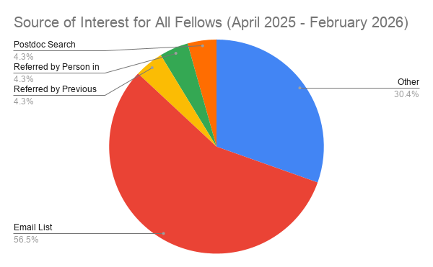
2025-08-05 | Guillaume Bogaerts | Thomas Lutz Lab (university of Zurich, Vetsuisse) | metabolism (ingestive behavior). | email list | Email List
2025-08-06 | Larry Ger Aragon | University of Melbourne (Australia) | Atmospheric Science | Other | Other
2025-08-07 | Aneesha Avasthi | Case Western Reserve University, USA | Physics | Other | Other
2025-08-08 | Eleana Karachaliou | University of Manitoba, Winnipeg, Canada | Biological Sciences | postdoc search | Postdoc Search
2025-08-09 | An Tran | Cambridge (Massachusetts), USA | Plant Science | email list | Email List
2025-08-10 | Brian Ko | Texas A&M University, College Station, USA | Biomedical Engineering | Other | Other
2025-08-11 | Sere Williams | Colorado State University |  | Other | Other
2025-08-12 | Johannes Eckert | ETH Zürich | Microbiology | email list | Email List
2025-08-13 | Jessica Kuppan | Washington University in St. Louis: | Biomedical Engineering | email list | Email List
2025-08-14 | Aditya Mahadevan | Harvard | Physics | Other | Other
2025-08-15 | Samuel DalCais | Colorado State University | Physical Inorganic Chemistry | email list | Email List
2025-04-01 | Fidel Soto-Gonzalez | Meharry Medical College | Biomedical Sciences |  | Rejected
 | Nicholas Anderson | University of Illinois at Urbana-Champaign | Aerospace Engineering |  | Rejected
 | Aravind R | Dr.Ranabir Das lab at National Centre for Biological Sciences (NCBS) | Computational Structural Biology Biochemistry/Microbiology/Biotechnology |  | Rejected
 | Michelle Huang | University of Notre Dame | integrated biomedical sciences |  | Deferred/Spare
 | FENTAHUN MITKU ABATE | Tuskegee University, Tuskegee, Alabama, USA | Microbiology for MS |  | Rejected
 | FATIMA ANWAR | University of North Texas | Surface Engineering of Materials |  | Rejected
 | Nina Raduner | ETH Zurich and the University of Zurich | Neuroscience |  | Rejected
 | Bhavya D | National Centre for Biological Sciences, Bengaluru, India. | Evolutionary Biology |  | Rejected
 | Angela Davis | Alabama A&M University | Applied Physics |  | Rejected
 | Aneesha Avasthi | Case Western Reserve University (CWRU) in Cleveland, Ohio, USA. | experimental nuclear and particle physics |  | Rejected
 | MUIDEEN TUNDE AROGUNDADE | Osun State University, Osogbo, Nigeria | Biochemistry |  | Rejected
 | Bethany Spear | University of Oxford | Accelerator Physics |  | Rejected
 | Hugo Ducret | Université libre de Bruxelles (Brussels, Belgium) | Marine Biology |  | Deferred/Spare
 | Swati Yadav | National Centre for Biological Sciences (NCBS), Bangalore, | structural biology |  | Rejected
 | Adriane McDonald | University of California, Santa Barbara | Marine Biology |  | Interviewed
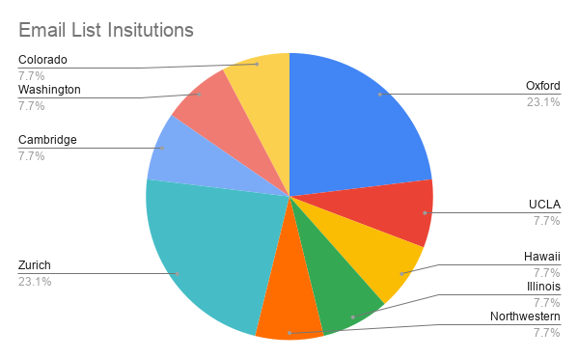
 | Jennifer Wagner | UC Berkeley | Integrative Biology |  | Interviewed
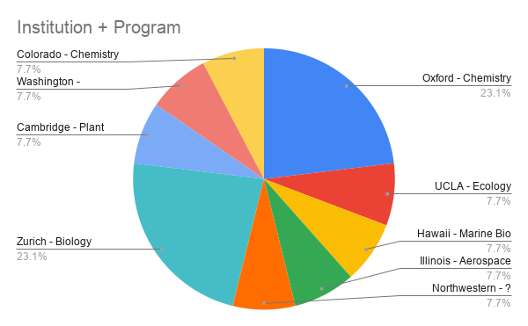

2026-02-02 | Kishwar Iqbal | University of Oxford | Physical and Theoretical Chemistry - Life Science focus | An email list in your institution | Email List | Oxford | Oxford - Chemistry
2026-02-03 | Prasita Dutta | University of Oxford | Inorganic Chemistry | An email list in your institution | Email List | Oxford | Oxford - Chemistry
2026-02-05 | Elodie Harbourne | Oxford (Oxfordshire), United Kingdom | Inorganic Chemistry | An email list in your institution | Email List | Oxford | Oxford - Chemistry
2026-02-07 | Amiel Flores | University of California, Los Angeles | Ecology and Evolutionary Biology | An email list in your institution Referred by a friend/colleague/supervisor in academia | Email List | UCLA | UCLA - Ecology
2026-02-08 | Keiko Wilkins | University of Hawaii at Manoa (Honolulu, HI, USA | Marine Biology | An email list in your institution | Email List | Hawaii | Hawaii - Marine Bio
2025-08-01 | Tuhin Bandopadhyay | University of Illinois at Urbana-Champaign (UIUC), | Aerospace Engg | email list | Email List | Illinois | Illinois - Aerospace
2025-08-02 | Hardeep Singh | Northwestern University, Evanston, Illinois, USA |  | email list | Email List | Northwestern | Northwestern - ?
2025-08-04 | Carlo Pasini | ETH Zurich | Plant Molecular Biology | email list | Email List | Zurich | Zurich - Biology
2025-08-05 | Guillaume Bogaerts | Thomas Lutz Lab (university of Zurich, Vetsuisse) | metabolism (ingestive behavior). | email list | Email List | Zurich | Zurich - Biology
2025-08-09 | An Tran | Cambridge (Massachusetts), USA | Plant Science | email list | Email List | Cambridge | Cambridge - Plant Science
2025-08-12 | Johannes Eckert | ETH Zürich | Microbiology | email list | Email List | Zurich | Zurich - Biology
2025-08-13 | Jessica Kuppan | Washington University in St. Louis: | Biomedical Engineering | email list | Email List | Washington | Washington - Engineering (Biomed)
2025-08-15 | Samuel DalCais | Colorado State University | Physical Inorganic Chemistry | email list | Email List | Colorado | Colorado - Chemistry

